Burst_API ST 2RD
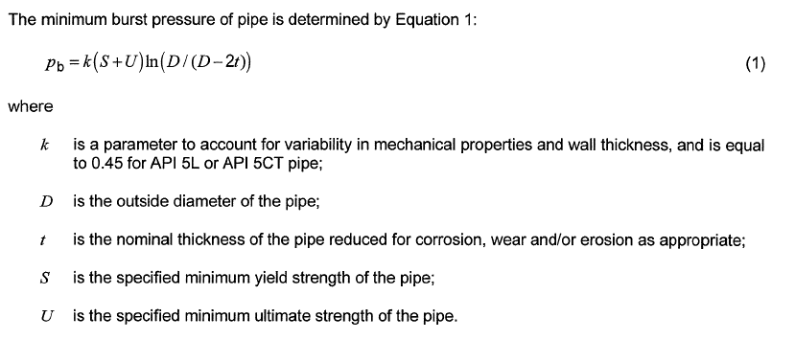
Burst Pressure Inputs | API ST 2RD
 |  | Units
parameter to account for variability in mechanical properties and wall thickness, and is equal | k |  | 0.45
Diameter of pipe for outer riser | D | Inch | 14.9
 | tfab | inch | 0.6
 | tca | inch | 0.06
 | t | inch | 0.54
specified minimum yield strength of the pipe; (material= X65) for outer Riser | S | ksi | 80
specified minimum ultimate strength of the pipe.(material= X65) for outer Riser | U | ksi | 95
 | δ0 |  | 0.01

the minimum burst pressure of outer riser pipe | pb |  | 5.93

Collapse_API ST 2RD
API ST 2RD
Collapse Due to External Pressure Inputs
Burst Pressure Inputs | API ST 2RD
 |  | Units
parameter to account for variability in mechanical properties and wall thickness, and is equal | k |  | 0.45
Diameter of pipe for outer riser | D | Inch | 14.9
 | tfab | inch | 0.6
 | tca | inch | 0.06
 | t | inch | 0.54
specified minimum yield strength of the pipe; (material= X65) for outer Riser | S | ksi | 80
specified minimum ultimate strength of the pipe.(material= X65) for outer Riser | U | ksi | 95
 | δ0 |  | 0.01
Youngs Modolus | E |  | 2.07E+05
Poissions Ratio | V |  | 0.3
Fabrication Factor at (Seamless Pipe) | αfab |  | 1
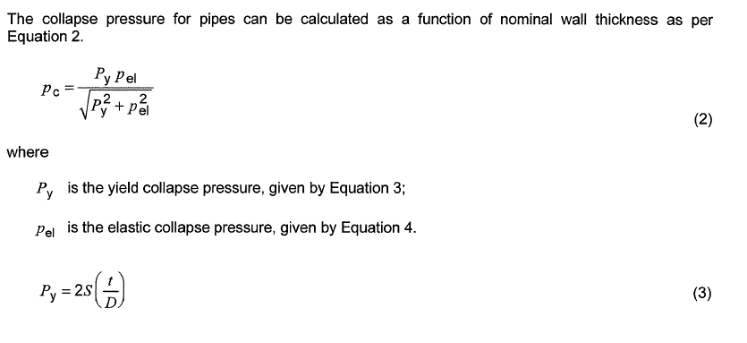

Yield collapse pressure Py | py |  | 5.7986577181

elastic collapse pressure Pel | pel |  | 21.656158584

plastic collapse pressure Pp | pp |  | 5.7986577181

collapse pressure Pc | pc |  | 5.6013377897
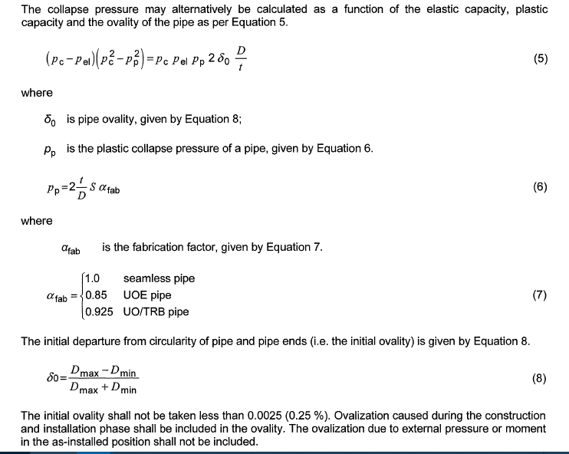
collapse pressure may alternatively be calculated as a function | condition1 |  | 36.114457191

 | Condition2 |  | 388.17107026

Collapse Due to Pure Bending | ϵb |  | 4.023

